ONE-WAY SLAB

 | Design of One-Way Slab Calculator
 |  | Instructions: Input all the required variables in the white cells. Cells in grey and blue serve as the output. |  |  |  |  |  |  |  |  |  |  | *Asterisks indicate optional inputs and may be mitigated by inputing on the blue cells
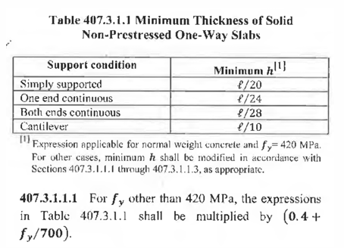
Settings |  |  | Beam Properties |  |  |  |  |  |  |  |  | Beam Properties
Round Decimals to |  |  | Length (Span) |  | 3000 |  |  | mm |  |  |  | Diameter of Bar (dbar) |  | 10 |  | mm
2 |  |  | Height (h) |  | 150 |  |  | mm |  |  |  | Concrete Cover |  | 20 |  | mm
 |  |  | Base (b) |  | 1000 |  |  | mm
β1 |  |  | Effective Depth (d) |  | 125 |  |  | mm
0.85
 |  |  | Concrete Properties
Steel Modulus
200000 |  |  | fy |  | 420 |  |  | Mpa
 |  |  | fc' |  | 28 |  |  | MPa
Phi, Φ |  |  | Ultimate Moment |  | 27.37 |  |  | kN-m
0.9 |  |  |  |  |  | TRUE

ρtemp |  |  |  |  |  | TRUE
0.0018

 |  |  | Computations |  |  |  |  |  |  |  |  |  |  |  | Skip to Results

 |  |  |  | Coefficient of Resisting Moment (Rn) |  |  |  |  |  | Steel Ratio (ρ)
$${\text{R}}_{n}=\frac{Mu}{{\text{Φ}bd}^{2}}$$
$${\text{R}}_{n}=\frac{Mu}{{\text{Φ}bd}^{2}}$$
$$\text{ρ}=\frac{0.85fc′}{fy}\left(1−\sqrt{1−\frac{2Rn}{0.85fc′}}\right)$$

 |  |  |  |  | Rn | = | 1.94631 |  |  |  | ρ | = | 0.00484

 |  |  |  |  |  | Maximum Steel Ratio (ρmax)
$${\text{ρ}}_{max}=\frac{0.85fc′}{fy}β_{1}\left(\frac{3}{7}\right)$$

 |  |  |  |  |  |  |  | ρmax | = | 0.02064

 |  |  |  |  |  | Minimum Steel Ratio (ρmin)
$${\text{ρ}}_{\min_{1}}=\frac{0.25\sqrt{fc′}}{fy}$$
 |  |  |  |  |  |  |  |  | = | 0.00315

$${\text{ρ}}_{\min_{2}}=\frac{1.4}{fy}$$
 |  |  |  |  |  |  |  |  | = | 0.00333

 |  |  |  |  |  |  |  | ρmin | = | 0.00333

 |  |  |  |  |  |  |  | ρ | = | 0.00484

 |  |  |  |  |  | Area of Steel (As)
$$A_{s}=\text{ρ}bd$$

 |  |  |  |  |  |  |  | As | = | 605.11 |  |  |  | mm2

 |  |  |  |  |  | Steel Reinforcements
$$n=\frac{A_{s}}{\frac{π}{4}{(D_{bar})}^{2}}$$

 |  |  |  |  |  |  |  | n | = | 7.70

 |  |  |  |  |  | Spacing (s)
 |  |  |  |  |  |  |  | s | = | 125 |  |  |  | mm

 |  |  |  |  | Minimum Spacing (As,min)

 |  |  |  |  |  |  |  | As,min | = | 270.00 |  |  |  | kN-m

 |  |  |  |  |  |  |  |  | SPACING is CORRECT

 |  |  |  |  |  | Area of Temperature Bars (As,temp)
$$A_{s}={\text{ρ}}_{temp}bd$$

 |  |  |  |  |  |  |  | As,temp | = | 270.00 |  |  |  | mm2

 |  |  |  |  |  | Steel Reinforcements
$$n=\frac{A_{s}}{\frac{π}{4}{(D_{bar})}^{2}}$$

 |  |  |  |  |  |  |  | n | = | 3.44

 |  |  |  |  |  | Spacing (s)
 |  |  |  |  |  |  |  | s | = | 275 |  |  |  | mm

 |  |  | Results

 |  |  |  |  |  |  |  | Use 125 mm Spacing - 10 mm Ø |  |  |  |  | Steel Bars

 |  |  |  |  |  |  |  | Use 275 mm Spacing - 10 mm Ø |  |  |  |  | Temperature Bars

